Sheet1
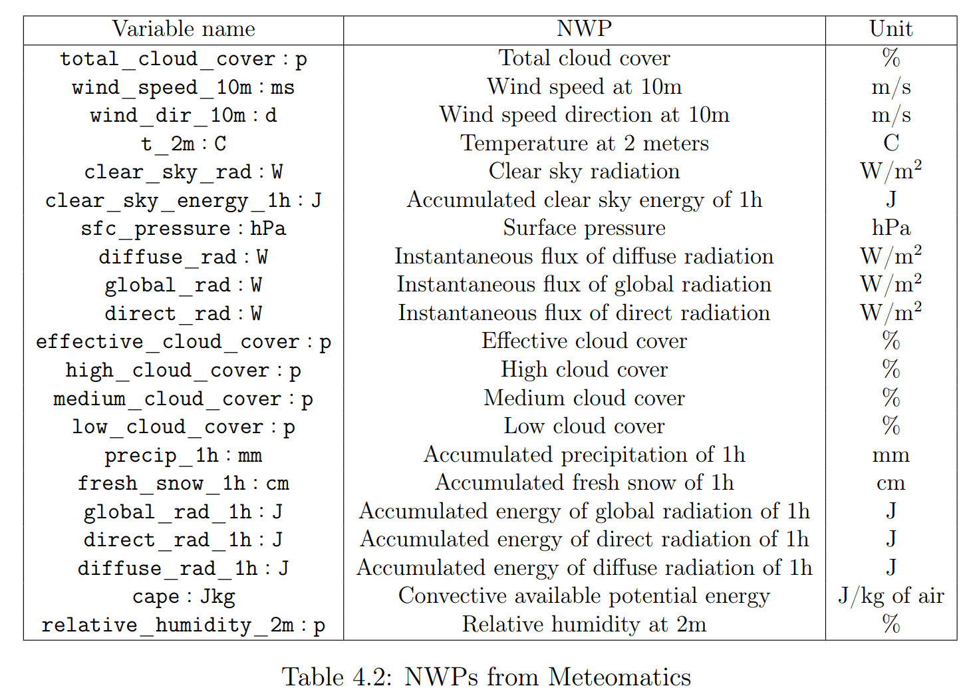
Reference Title | Reference Link | Description / Goal | Scope | Methodologies/Techniques/Models | Parameters/Data
Wind Energy Trade with Deep Learning — Time Series Forecasting | https://towardsdatascience.com/wind-energy-trade-with-deep-learning-time-series-forecasting-580bd41f163 | 1. Predict energy demand 2. Build a wind energy forecast model with a leading time of 18 hours and 1 hour resolution | Ile de France region | Time Series Analysis Time series forecasting: - Deep Neural Networks (Input scaling, autoencoder) - Deep Learning | Energy production (kWh) in time stamps of one 1 hour Wind forecast data for 8 major wind farms in the region Dependent variables: - Spatial Average Features: wind speed (over all wind farms coordinates), direction (over all wind farms coordinates), wind speed vector and wind direction vectors - Time Features: Number of hours from 6AM UTC, Number of months from January, Number of months from April, Seasons. - Weight Nominal Features: current wind speed divided by the nominal speed 12m/s weighted by nominal power output, for all wind farm location and all vectors averaged.
Solar Power Forecasting with Machine Learning Techniques | https://kth.diva-portal.org/smash/get/diva2:1215661/FULLTEXT02.pdf | Comparison of different machine learning techniques and time series models across five different sites in Sweden | - short-term (0-5 hours) forecasting - five sites in Sweden | Time Series - ARIMA Machine Learning - Artificial Neural Networks - Gradient Boosting Regression Trees - Lasso Regression - K-Nearest Neighbors (KNN) | Power Data: Site, Location, Peak capacity (kWp), energy output data sampled at 15-minute intervals at five different sites in Sweden for 2-3 years back in time Numerical Weather Prediction Data: Total cloud cover, Wind speed at 10m, Wind speed direction at 10m, Temperature at 2 meters, Clear sky radiation... (from Meteomatics) | In the short-term (0-5 hours), a transmission system operator is interested in the energy output from PV panels to find the adequate balance for the whole grid, since over- and under-producing electricity often results in penalty fees. On another side of the spectrum, electricity traders are interested in long time horizons, ordinarily, day-ahead forecasts since most electricity is traded on the day-ahead market. | As of this, a model is likely to perform better in one region than when trained on multiple sites simultaneously
Short-term Memory Solar Energy Forecasting at University of Illinois | https://github.com/ColasGael/Machine-Learning-for-Solar-Energy-Prediction/blob/master/cs229_final_report.pdf | predict the hourly power production of a photovoltaic power station from the measurements of a set of weather features | University of Illinois campus | weighted linear regression with and without dimension reduction boosting regression trees artificial neural networks with and without vanishing temporal gradient. | Weather parameters: air temperature, relative humidity, and dew point, cloud coverage, visibility... The solar energy output necessary to power the campus of the University of Illinois

